Flow Rate
Flow Rate
Flow Rate | 25.30 | g/s

Location
Engine -> Fuel -> General -> Injector Control -> Flow Rate -> Flow Rate
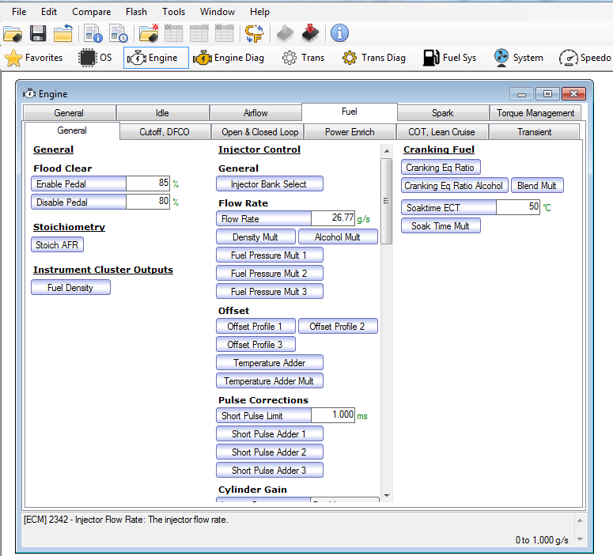

Density Multiplier
Density Multiplier
Fuel Rail Pressure (MPa) |  | Injector Tip Temp (˚C)
 |  | -20 | -10 | 0 | 10 | 20 | 30 | 40 | 50 | 60 | 70 | 80 | 90 | 100 | 110 | 120 | 130 | 140
 | 0.4 | 0.8250 | 0.8475 | 0.8675 | 0.8850 | 0.8950 | 0.9030 | 0.9120 | 0.9150 | 0.9175 | 0.9080 | 0.8950 | 0.8575 | 0.8100 | 0.7700 | 0.7450 | 0.7300 | 0.7300
 | 1.0 | 0.8550 | 0.8725 | 0.8900 | 0.9050 | 0.9175 | 0.9250 | 0.9325 | 0.9375 | 0.9400 | 0.9300 | 0.9200 | 0.8850 | 0.8350 | 0.8000 | 0.7750 | 0.7600 | 0.7600
 | 2.0 | 0.8800 | 0.8925 | 0.9075 | 0.9225 | 0.9350 | 0.9450 | 0.9520 | 0.9550 | 0.9600 | 0.9500 | 0.9400 | 0.9050 | 0.8600 | 0.8300 | 0.8000 | 0.7900 | 0.7900
 | 3.0 | 0.9000 | 0.9100 | 0.9250 | 0.9375 | 0.9470 | 0.9525 | 0.9600 | 0.9650 | 0.9700 | 0.9675 | 0.9550 | 0.9350 | 0.8950 | 0.8625 | 0.8300 | 0.8200 | 0.8200
 | 4.0 | 0.9100 | 0.9200 | 0.9350 | 0.9450 | 0.9500 | 0.9600 | 0.9650 | 0.9670 | 0.9720 | 0.9700 | 0.9550 | 0.9300 | 0.9000 | 0.8750 | 0.8400 | 0.8300 | 0.8300
 | 5.0 | 0.9275 | 0.9350 | 0.9450 | 0.9500 | 0.9550 | 0.9650 | 0.9700 | 0.9745 | 0.9740 | 0.9700 | 0.9590 | 0.9450 | 0.9200 | 0.8830 | 0.8500 | 0.8400 | 0.8400
 | 6.0 | 0.9450 | 0.9500 | 0.9550 | 0.9600 | 0.9675 | 0.9750 | 0.9800 | 0.9850 | 0.9850 | 0.9825 | 0.9750 | 0.9600 | 0.9400 | 0.9050 | 0.8750 | 0.8700 | 0.8700
 | 7.0 | 0.9550 | 0.9600 | 0.9650 | 0.9675 | 0.9700 | 0.9710 | 0.9720 | 0.9750 | 0.9770 | 0.9800 | 0.9750 | 0.9700 | 0.9600 | 0.9400 | 0.9100 | 0.9000 | 0.9000
 | 8.0 | 0.9650 | 0.9675 | 0.9700 | 0.9700 | 0.9720 | 0.9730 | 0.9750 | 0.9800 | 0.9800 | 0.9800 | 0.9775 | 0.9750 | 0.9700 | 0.9500 | 0.9300 | 0.9200 | 0.9200
 | 10.0 | 0.9800 | 0.9800 | 0.9800 | 0.9800 | 0.9825 | 0.9840 | 0.9850 | 0.9850 | 0.9875 | 0.9850 | 0.9870 | 0.9850 | 0.9850 | 0.9750 | 0.9500 | 0.9400 | 0.9400
 | 12.0 | 1.0000 | 1.0000 | 1.0000 | 1.0000 | 1.0000 | 1.0010 | 1.0010 | 1.0010 | 1.0010 | 1.0020 | 1.0020 | 1.0030 | 0.9950 | 0.9900 | 0.9625 | 0.9550 | 0.9550
 | 14.0 | 1.0000 | 1.0000 | 1.0000 | 1.0000 | 1.0000 | 1.0010 | 1.0050 | 1.0100 | 1.0130 | 1.0100 | 1.0070 | 1.0080 | 1.0050 | 1.0000 | 0.9800 | 0.9700 | 0.9700
 | 16.0 | 1.0000 | 1.0000 | 1.0000 | 1.0000 | 1.0000 | 1.0000 | 1.0000 | 1.0020 | 1.0050 | 1.0065 | 1.0120 | 1.0200 | 1.0170 | 1.0100 | 1.0000 | 0.9850 | 0.9850
 | 18.0 | 1.0000 | 1.0000 | 1.0000 | 1.0000 | 1.0000 | 1.0000 | 1.0000 | 1.0000 | 1.0000 | 1.0000 | 1.0080 | 1.0120 | 1.0100 | 1.0010 | 0.9950 | 0.9900 | 0.9900
 | 20.0 | 1.0000 | 1.0000 | 1.0000 | 1.0000 | 1.0000 | 1.0000 | 1.0000 | 1.0000 | 1.0000 | 1.0000 | 1.0040 | 1.0010 | 1.0000 | 1.0000 | 1.0000 | 0.9950 | 0.9950
 | 24.0 | 1.0000 | 1.0000 | 1.0000 | 1.0000 | 1.0000 | 1.0000 | 1.0000 | 1.0000 | 1.0000 | 1.0000 | 1.0015 | 1.0000 | 1.0000 | 1.0000 | 1.0000 | 1.0000 | 1.0000
 | 28.0 | 1.0000 | 1.0000 | 1.0000 | 1.0000 | 1.0000 | 1.0000 | 1.0000 | 1.0000 | 1.0000 | 1.0000 | 1.0000 | 1.0000 | 1.0000 | 1.0000 | 1.0000 | 1.0000 | 1.0000

Location
Engine -> Fuel -> General -> Injector Control - > Flow Rate -> Density Multiplier
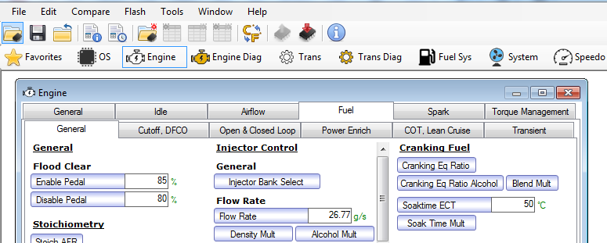

Alcohol Multiplier
Alcohol Multiplier
 | Alcohol Composition (%)
 | 0.0 | 12.5 | 25.0 | 37.5 | 50.0 | 62.5 | 75.0 | 87.5 | 100.0
Multiplier | 1.0000 | 1.0050 | 1.0100 | 1.0150 | 1.0200 | 1.0249 | 1.0299 | 1.0348 | 1.0396

Location
Engine -> Fuel -> General -> Injector Control -> Flow Rate - > Alcohol Multiplier
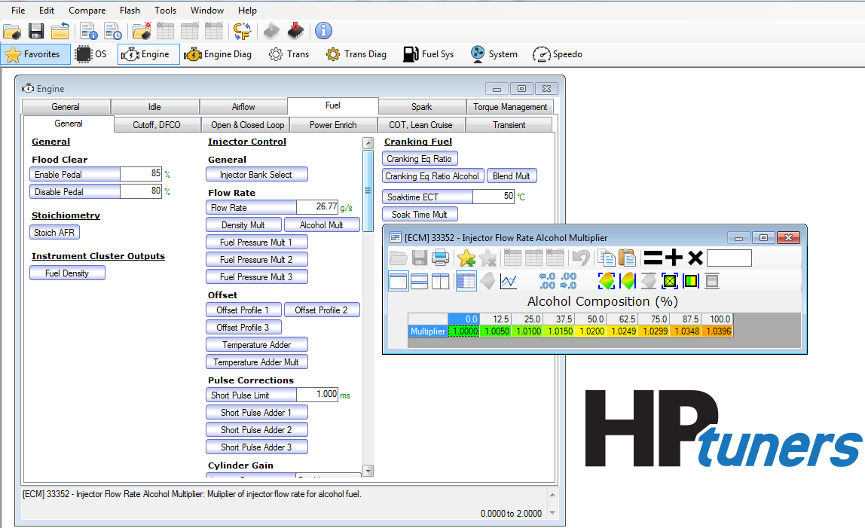

Fuel Pressure Multiplier 1
Fuel Pressure Multiplier 1
 | Fuel Rail Pressure (MPa)
 | 0.4 | 1.0 | 2.0 | 3.0 | 4.0 | 5.0 | 6.0 | 7.0 | 8.0 | 10.0 | 12.0 | 14.0 | 16.0 | 18.0 | 20.0 | 24.0 | 28.0
Multiplier | 0.2105 | 0.3328 | 0.4707 | 0.5765 | 0.6514 | 0.7158 | 0.7777 | 0.8371 | 0.8939 | 1.0000 | 1.0959 | 1.1817 | 1.2574 | 1.3229 | 1.3782 | 1.4688 | 1.5594

Location
Engine -> Fuel -> General -> Injector Control -> Flow Rate - > Fuel Pressure Multiplier 1
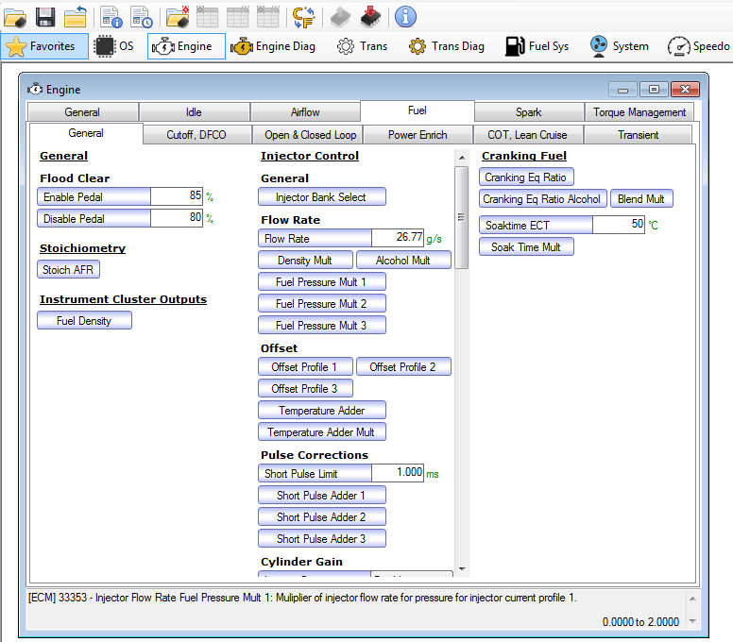

Fuel Pressure Multiplier 2
Fuel Pressure Multiplier 2
 | Fuel Rail Pressure (MPa)
 | 0.4 | 1.0 | 2.0 | 3.0 | 4.0 | 5.0 | 6.0 | 7.0 | 8.0 | 10.0 | 12.0 | 14.0 | 16.0 | 18.0 | 20.0 | 24.0 | 28.0
Multiplier | 0.2105 | 0.3328 | 0.4707 | 0.5765 | 0.6514 | 0.7158 | 0.7777 | 0.8371 | 0.8939 | 1.0000 | 1.0959 | 1.1817 | 1.2574 | 1.3229 | 1.3782 | 1.4688 | 1.5594

Location
Engine -> Fuel -> General -> Injector Control -> Flow Rate - > Fuel Pressure Multiplier 2
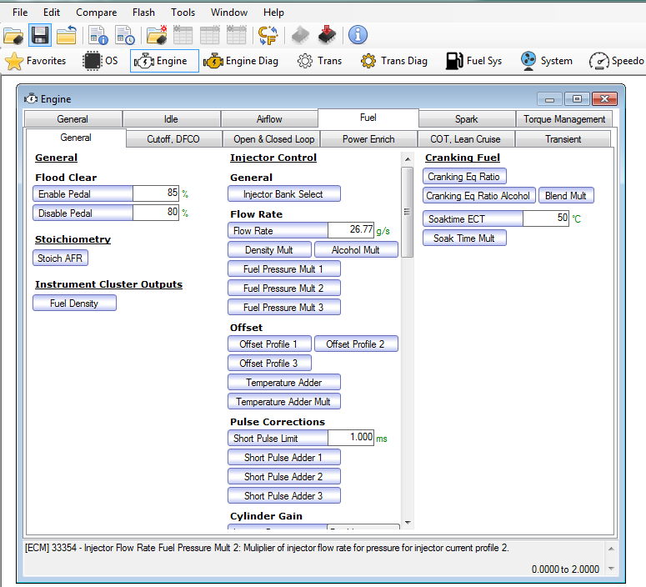

Offset Profile 1
Offset Profile 1
 | Fuel Rail Pressure (MPa)
 | 0.4 | 1.0 | 2.0 | 3.0 | 4.0 | 5.0 | 6.0 | 7.0 | 8.0 | 10.0 | 12.0 | 14.0 | 16.0 | 18.0 | 20.0 | 24.0 | 28.0
Adder | -0.0411 | -0.0541 | -0.0897 | -0.0760 | -0.0922 | -0.0930 | -0.1008 | -0.0972 | -0.0793 | -0.0847 | -0.0597 | -0.0275 | 0.0189 | 0.0336 | 0.0484 | 0.0729 | 0.1957

Location
Engine -> Fuel -> General -> Injector Control -> Offset - > Offset Profile 1
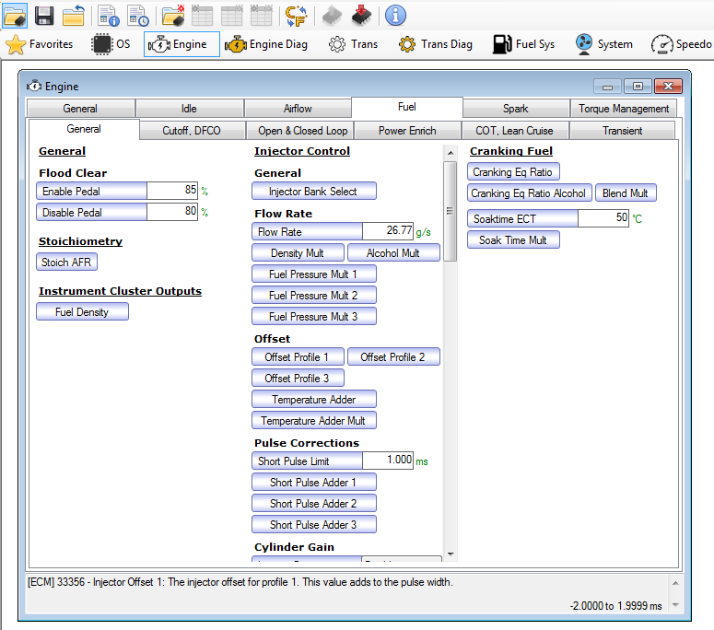

Offset Profile 2
Offset Profile 2
 | Fuel Rail Pressure (MPa)
 | 0.4 | 1.0 | 2.0 | 3.0 | 4.0 | 5.0 | 6.0 | 7.0 | 8.0 | 10.0 | 12.0 | 14.0 | 16.0 | 18.0 | 20.0 | 24.0 | 28.0
Adder | -0.0411 | -0.0541 | -0.0897 | -0.0760 | -0.0922 | -0.0930 | -0.1008 | -0.0972 | -0.0793 | -0.0847 | -0.0597 | -0.0275 | 0.0189 | 0.0336 | 0.0484 | 0.0729 | 0.1957

Location
Engine -> Fuel -> General -> Injector Control -> Offset - > Offset Profile 2
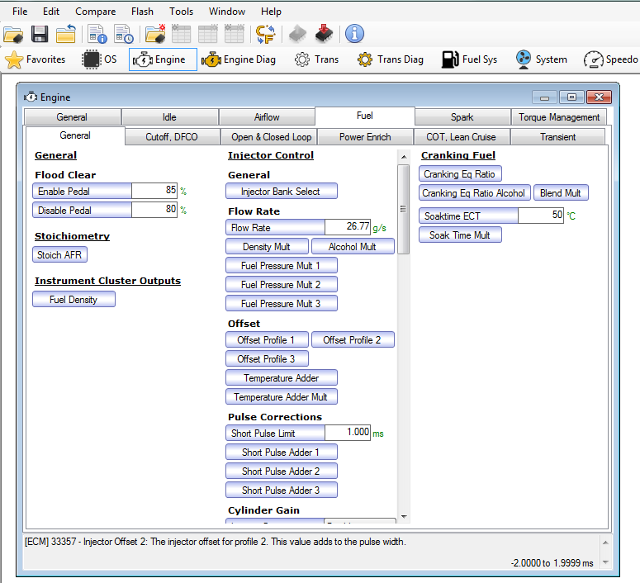

Temperature Adder
Injector Offset Temperature Adder
Fuel Rail Pressure (MPa) |  | Injector Tip Temp (˚C)
 |  | -20 | -10 | 0 | 10 | 20 | 30 | 40 | 50 | 60 | 70 | 80 | 90 | 100 | 110 | 120 | 130 | 140
 | 0.4 | 0.0000 | 0.0000 | 0.0000 | 0.0000 | 0.0000 | 0.0000 | 0.0000 | 0.0000 | 0.0000 | 0.0000 | 0.0000 | 0.0000 | 0.0000 | 0.0000 | 0.0000 | 0.0000 | 0.0000
 | 1.0 | 0.0000 | 0.0000 | 0.0000 | 0.0000 | 0.0000 | 0.0000 | 0.0000 | 0.0000 | 0.0000 | 0.0000 | 0.0000 | 0.0000 | 0.0000 | 0.0000 | 0.0000 | 0.0000 | 0.0000
 | 2.0 | 0.0000 | 0.0000 | 0.0000 | 0.0000 | 0.0000 | 0.0000 | 0.0000 | 0.0000 | 0.0000 | 0.0000 | 0.0000 | 0.0000 | 0.0000 | 0.0000 | 0.0000 | 0.0000 | 0.0000
 | 3.0 | 0.0000 | 0.0000 | 0.0000 | 0.0000 | 0.0000 | 0.0000 | 0.0000 | 0.0000 | 0.0000 | 0.0000 | 0.0000 | 0.0000 | 0.0000 | 0.0000 | 0.0000 | 0.0000 | 0.0000
 | 4.0 | 0.0000 | 0.0000 | 0.0000 | 0.0000 | 0.0000 | 0.0000 | 0.0000 | 0.0000 | 0.0000 | 0.0000 | 0.0000 | 0.0000 | 0.0000 | 0.0000 | 0.0000 | 0.0000 | 0.0000
 | 5.0 | 0.0000 | 0.0000 | 0.0000 | 0.0000 | 0.0000 | 0.0000 | 0.0000 | 0.0000 | 0.0000 | 0.0000 | 0.0000 | 0.0000 | 0.0000 | 0.0000 | 0.0000 | 0.0000 | 0.0000
 | 6.0 | 0.0000 | 0.0000 | 0.0000 | 0.0000 | 0.0000 | 0.0000 | 0.0000 | 0.0000 | 0.0000 | 0.0000 | 0.0000 | 0.0000 | 0.0000 | 0.0000 | 0.0000 | 0.0000 | 0.0000
 | 7.0 | 0.0000 | 0.0000 | 0.0000 | 0.0000 | 0.0000 | 0.0000 | 0.0000 | 0.0000 | 0.0000 | 0.0000 | 0.0000 | 0.0000 | 0.0000 | 0.0000 | 0.0000 | 0.0000 | 0.0000
 | 8.0 | 0.0000 | 0.0000 | 0.0000 | 0.0000 | 0.0000 | 0.0000 | 0.0000 | 0.0000 | 0.0000 | 0.0000 | 0.0000 | 0.0000 | 0.0000 | 0.0000 | 0.0000 | 0.0000 | 0.0000
 | 10.0 | 0.0000 | 0.0000 | 0.0000 | 0.0000 | 0.0000 | 0.0000 | 0.0000 | 0.0000 | 0.0000 | 0.0000 | 0.0000 | 0.0000 | 0.0000 | 0.0000 | 0.0000 | 0.0000 | 0.0000
 | 12.0 | 0.0000 | 0.0000 | 0.0000 | 0.0000 | 0.0000 | 0.0000 | 0.0000 | 0.0000 | 0.0000 | 0.0000 | 0.0000 | 0.0000 | 0.0000 | 0.0000 | 0.0000 | 0.0000 | 0.0000
 | 14.0 | 0.0000 | 0.0000 | 0.0000 | 0.0000 | 0.0000 | 0.0000 | 0.0000 | 0.0000 | 0.0000 | 0.0000 | 0.0000 | 0.0000 | 0.0000 | 0.0000 | 0.0000 | 0.0000 | 0.0000
 | 16.0 | 0.0000 | 0.0000 | 0.0000 | 0.0000 | 0.0000 | 0.0000 | 0.0000 | 0.0000 | 0.0000 | 0.0000 | 0.0000 | 0.0000 | 0.0000 | 0.0000 | 0.0000 | 0.0000 | 0.0000
 | 18.0 | 0.0000 | 0.0000 | 0.0000 | 0.0000 | 0.0000 | 0.0000 | 0.0000 | 0.0000 | 0.0000 | 0.0000 | 0.0000 | 0.0000 | 0.0000 | 0.0000 | 0.0000 | 0.0000 | 0.0000
 | 20.0 | 0.0000 | 0.0000 | 0.0000 | 0.0000 | 0.0000 | 0.0000 | 0.0000 | 0.0000 | 0.0000 | 0.0000 | 0.0000 | 0.0000 | 0.0000 | 0.0000 | 0.0000 | 0.0000 | 0.0000
 | 24.0 | 0.0000 | 0.0000 | 0.0000 | 0.0000 | 0.0000 | 0.0000 | 0.0000 | 0.0000 | 0.0000 | 0.0000 | 0.0000 | 0.0000 | 0.0000 | 0.0000 | 0.0000 | 0.0000 | 0.0000
 | 28.0 | 0.0000 | 0.0000 | 0.0000 | 0.0000 | 0.0000 | 0.0000 | 0.0000 | 0.0000 | 0.0000 | 0.0000 | 0.0000 | 0.0000 | 0.0000 | 0.0000 | 0.0000 | 0.0000 | 0.0000

Location
Engine -> Fuel -> General -> Injector Control - > Offset -> Temperature Adder
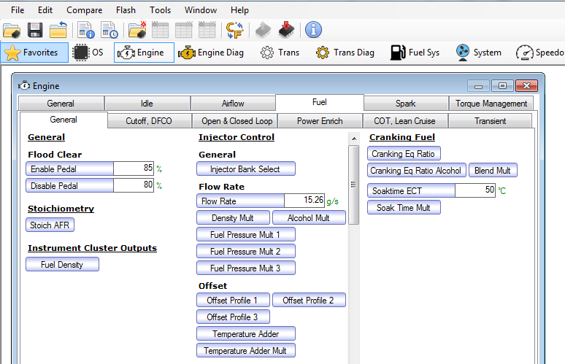

Temperature Adder Multiplier
Injector Offset Temperature Adder Multiplier
 | Alcohol Composition (%)
 | 0.0 | 12.5 | 25.0 | 37.5 | 50.0 | 62.5 | 75.0 | 87.5 | 100.0
Multiplier | 1.0000 | 1.0000 | 1.0000 | 1.0000 | 1.0000 | 1.0000 | 1.0000 | 1.0000 | 1.0000

Location
Engine -> Fuel -> General -> Injector Control -> Offset - > Temperature Adder Mult
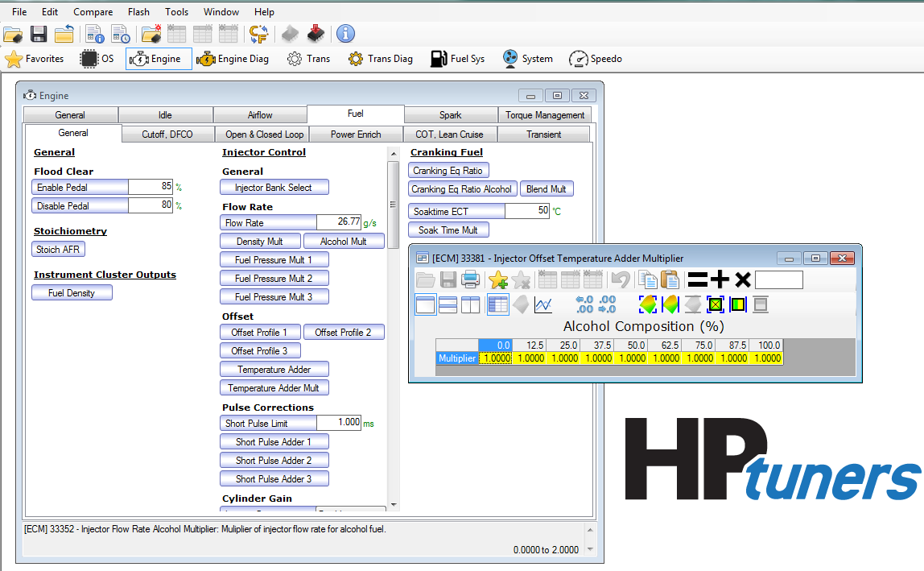

Short Pulse Adder 1
Short Pulse Adder 1
Fuel Rail Pressure (MPa) |  | Pulse Width (ms)
 |  | 0.20 | 0.25 | 0.30 | 0.35 | 0.40 | 0.45 | 0.50 | 0.55 | 0.60 | 0.65 | 0.70 | 0.75 | 0.80 | 0.85 | 0.90 | 0.95 | 1.00
 | 0.4 | -0.0056 | -0.0027 | 0.0145 | -0.0224 | -0.0582 | 0.0186 | 0.0461 | 0.0735 | 0.1011 | 0.1630 | 0.2650 | 0.2496 | 0.4871 | 0.2160 | 0.4060 | 0.5252 | 0.5252
 | 1.0 | -0.0056 | -0.0027 | 0.0145 | -0.0224 | -0.0582 | 0.0186 | 0.0461 | 0.0735 | 0.1011 | 0.1630 | 0.2650 | 0.2496 | 0.4871 | 0.2160 | 0.4060 | 0.5252 | 0.5252
 | 2.0 | -0.0056 | -0.0027 | 0.0145 | -0.0224 | -0.0582 | 0.0186 | 0.0461 | 0.0735 | 0.1011 | 0.1630 | 0.2650 | 0.2496 | 0.4871 | 0.2160 | 0.2280 | 0.3500 | 0.3500
 | 3.0 | -0.0056 | -0.0027 | 0.0145 | 0.0146 | -0.0544 | -0.0282 | -0.0400 | -0.0062 | 0.0178 | 0.0463 | 0.0821 | 0.2246 | 0.4840 | 0.5364 | 0.3622 | 0.1881 | 0.1881
 | 4.0 | -0.0060 | 0.0190 | 0.0441 | 0.0691 | -0.0629 | -0.0364 | -0.0441 | -0.0440 | 0.0356 | -0.0767 | -0.0620 | 0.1075 | 0.1166 | 0.1257 | 0.1348 | 0.1440 | 0.1440
 | 5.0 | 0.0057 | -0.0030 | -0.0197 | -0.0367 | -0.0485 | 0.0127 | 0.0243 | -0.0591 | -0.1241 | -0.1223 | -0.1296 | -0.1860 | -0.0721 | -0.0014 | 0.1263 | 0.0918 | 0.0918
 | 6.0 | 0.0050 | -0.0075 | -0.0200 | -0.0325 | -0.0450 | -0.0215 | -0.0012 | 0.0051 | -0.0800 | -0.0864 | -0.0646 | -0.1288 | -0.1217 | -0.1197 | -0.0437 | -0.0208 | -0.0208
 | 7.0 | 0.0043 | -0.0068 | -0.0181 | -0.0292 | -0.0404 | 0.0198 | -0.0124 | 0.0447 | 0.0091 | -0.0230 | -0.0789 | -0.0692 | -0.0533 | -0.0738 | 0.0076 | 0.0706 | 0.0706
 | 8.0 | 0.0037 | -0.0071 | -0.0180 | -0.0288 | -0.0397 | -0.0354 | -0.0018 | 0.0255 | 0.0242 | 0.0594 | -0.0289 | -0.0238 | -0.0378 | -0.0482 | -0.0596 | -0.0004 | -0.0004
 | 10.0 | 0.0023 | -0.0035 | -0.0118 | -0.0144 | -0.0352 | 0.0013 | 0.0049 | -0.0273 | -0.0594 | 0.0065 | -0.0208 | -0.0077 | -0.0001 | 0.0090 | 0.0577 | 0.0504 | 0.0504
 | 12.0 | -0.0012 | -0.0062 | -0.0091 | -0.0154 | -0.0189 | -0.0692 | -0.0815 | -0.0729 | -0.0528 | -0.0429 | -0.0471 | -0.0309 | -0.0910 | -0.0877 | -0.0645 | -0.0199 | -0.0199
 | 14.0 | -0.0806 | -0.0969 | -0.1096 | -0.1215 | -0.0225 | -0.0342 | -0.0459 | -0.0576 | -0.0463 | -0.0350 | -0.0404 | -0.0024 | -0.0760 | -0.0989 | -0.0699 | -0.0185 | -0.0185
 | 16.0 | -0.1600 | -0.1875 | -0.2100 | -0.2275 | -0.2400 | -0.2475 | -0.2500 | -0.2475 | -0.2400 | -0.2275 | -0.2100 | -0.1875 | -0.1275 | -0.0900 | -0.0475 | 0.0000 | 0.0000
 | 18.0 | -0.1600 | -0.1875 | -0.2100 | -0.2275 | -0.2400 | -0.2475 | -0.2500 | -0.2475 | -0.2400 | -0.2275 | -0.2100 | -0.1875 | -0.1275 | -0.0900 | -0.0475 | 0.0000 | 0.0000
 | 20.0 | -0.1600 | -0.1875 | -0.2100 | -0.2275 | -0.2400 | -0.2475 | -0.2500 | -0.2475 | -0.2400 | -0.2275 | -0.2100 | -0.1875 | -0.1275 | -0.0900 | -0.0475 | 0.0000 | 0.0000
 | 24.0 | -0.1600 | -0.1875 | -0.2100 | -0.2275 | -0.2400 | -0.2475 | -0.2500 | -0.2475 | -0.2400 | -0.2275 | -0.2100 | -0.1875 | -0.1275 | -0.0900 | -0.0475 | 0.0000 | 0.0000
 | 28.0 | -0.1600 | -0.1875 | -0.2100 | -0.2275 | -0.2400 | -0.2475 | -0.2500 | -0.2475 | -0.2400 | -0.2275 | -0.2100 | -0.1875 | -0.1275 | -0.0900 | -0.0475 | 0.0000 | 0.0000

Location
Engine -> Fuel -> General -> Injector Control - > Pulse corrections - > Short Pulse Adder 1
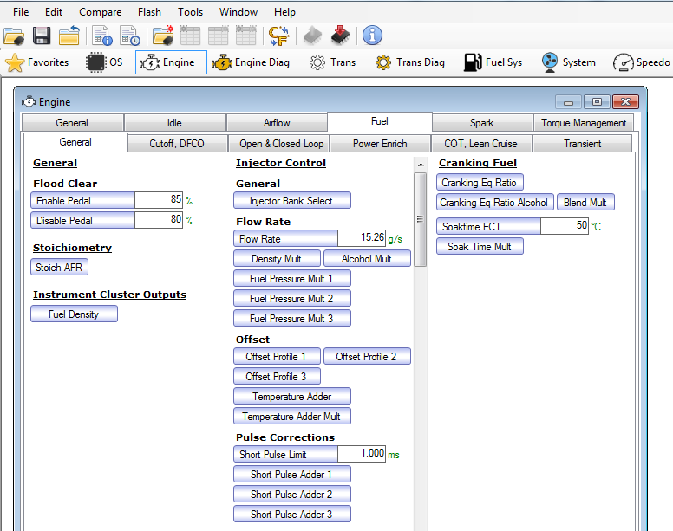

Injector Gain
Injector Gain
Injector Gain | Disable

Location
Engine -> Fuel -> General -> Injector Control -> Cylinder Gain - > Injector Gain
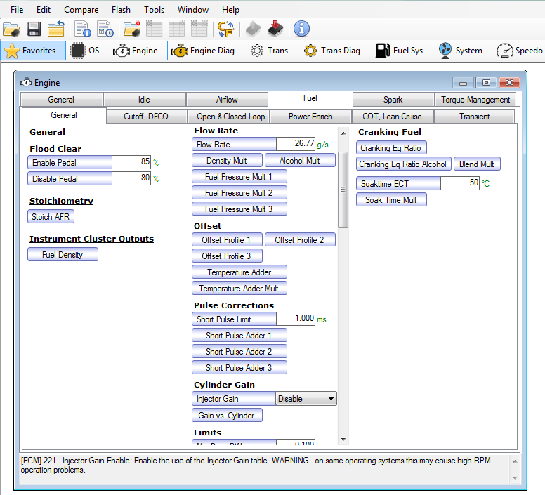

Gain vs. Cylinder
Injector Gain vs. Cylinder
 | Gain
Cyl #A | 1.0000
Cyl #B | 1.0000
Cyl #C | 1.0000
Cyl #D | 1.0000
Cyl #E | 1.0000
Cyl #F | 1.0000
Cyl #G | 1.0000
Cyl #H | 1.0000

Location
Engine -> Fuel -> General -> Injector Control -> Cylinder Gain - > Gain vs. Cylinder
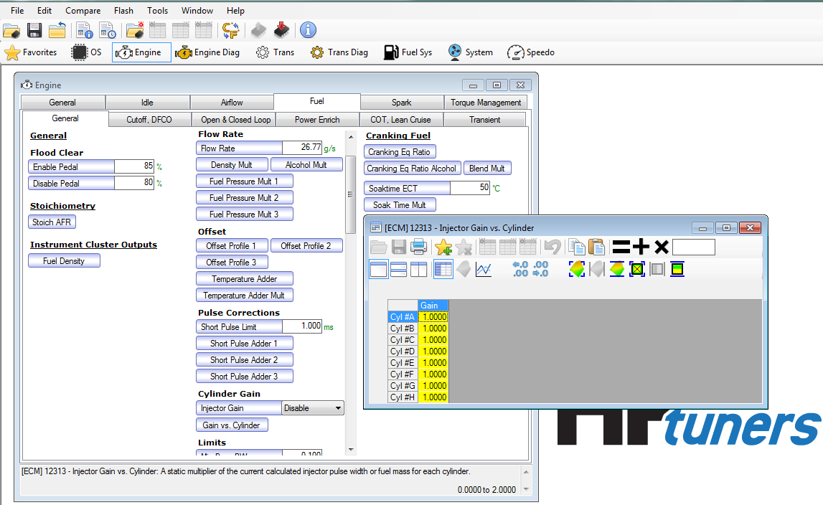

Limits
Limits
Min Base PW | 0.100 | ms
Min PW | 0.400 | ms

Location
Engine -> Fuel -> General -> Injector Control -> Limits
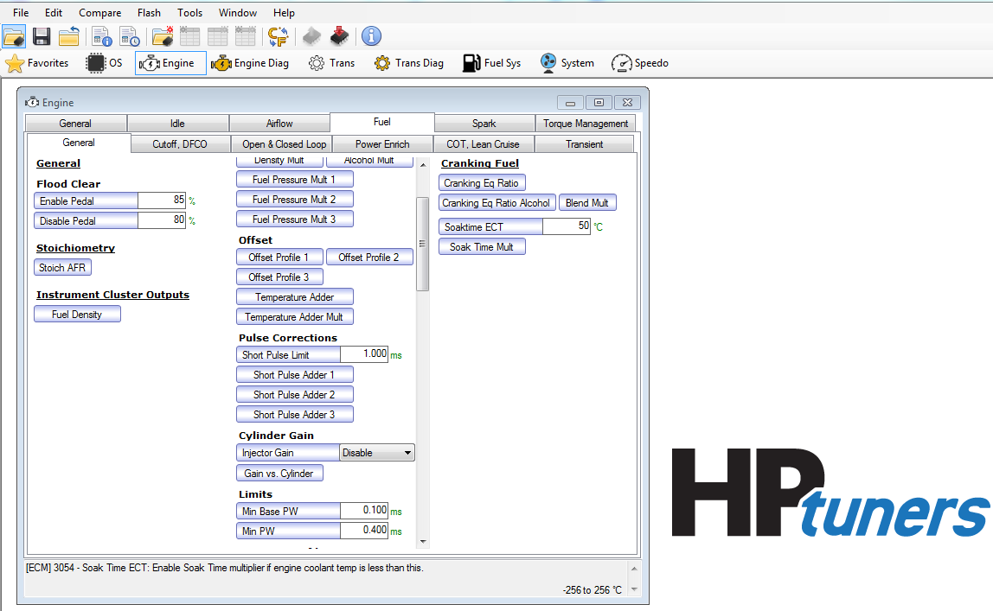

Injector Profiles
Injector Profiles
User Profiles | Enabled
Enable Delay | 0.0 | seconds
Profile 1-2 Thresh | 12.5 | MPa
Profile 2-1 Thresh | 12.0 | MPa
Profile 2-3 Thresh | 16.0 | MPa
Profile 3-2 Thresh | 15.5 | MPa

Location
Engine -> Fuel -> General -> Injector Control -> Injector Profiles
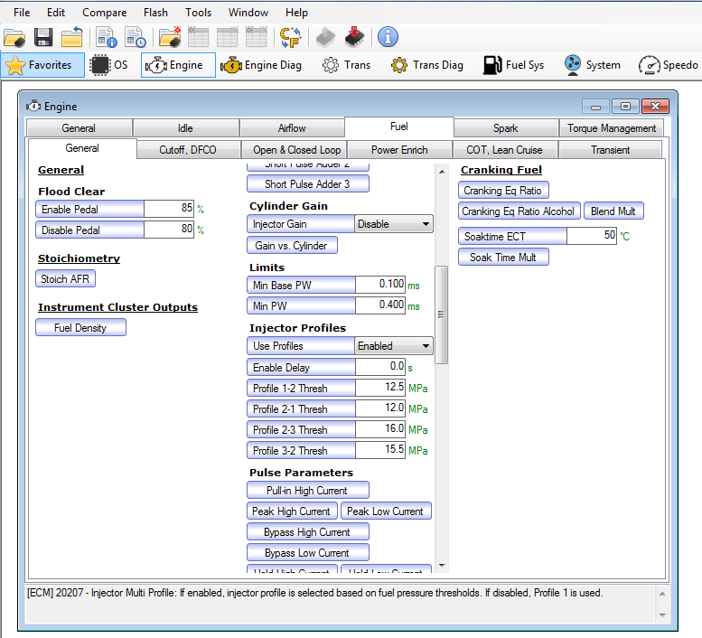

Pull-in High Current
Injector Pull In High Current
 | Current
Profile 1 | 17.00
Profile 2 | 18.00
Profile 3 | 19.30

Location
Engine -> Fuel -> General -> Injector Control -> Pulse Parameters -> Pull-in High Current
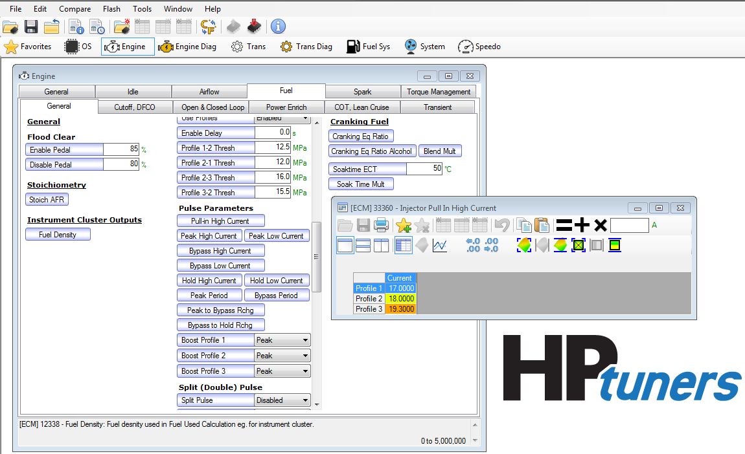

Peak High Current
Injector Peak High Current
 | Current
Profile 1 | 16.00
Profile 2 | 16.00
Profile 3 | 17.00

Location
Engine -> Fuel -> General -> Injector Control -> Pulse Parameters -> Peak High Current
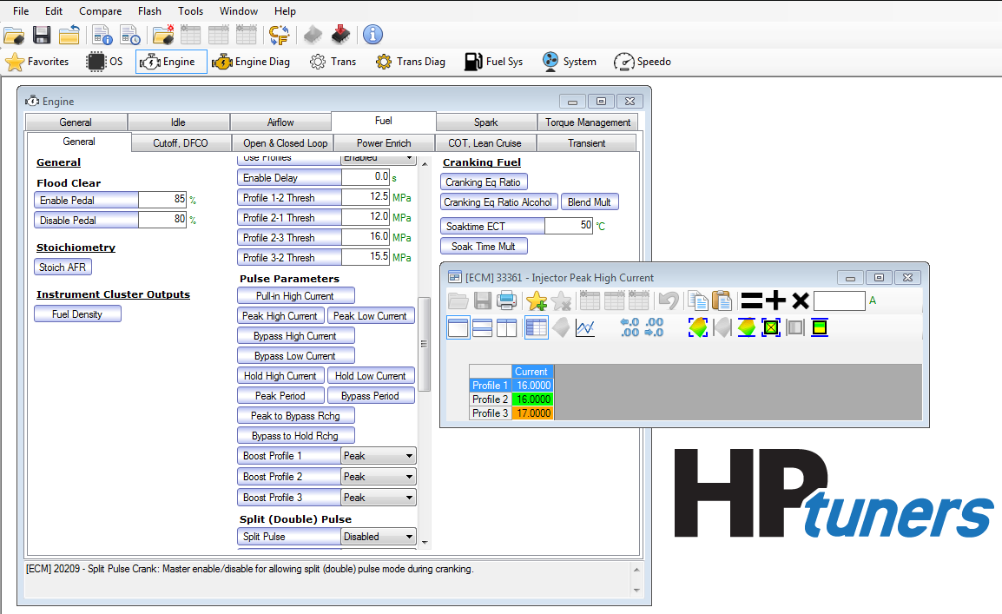

Peak Low Current
Injector Peak Low Current
 | Current
Profile 1 | 15.50
Profile 2 | 15.50
Profile 3 | 15.50

Location
Engine -> Fuel -> General -> Injector Control -> Pulse Parameters -> Peak Low Current
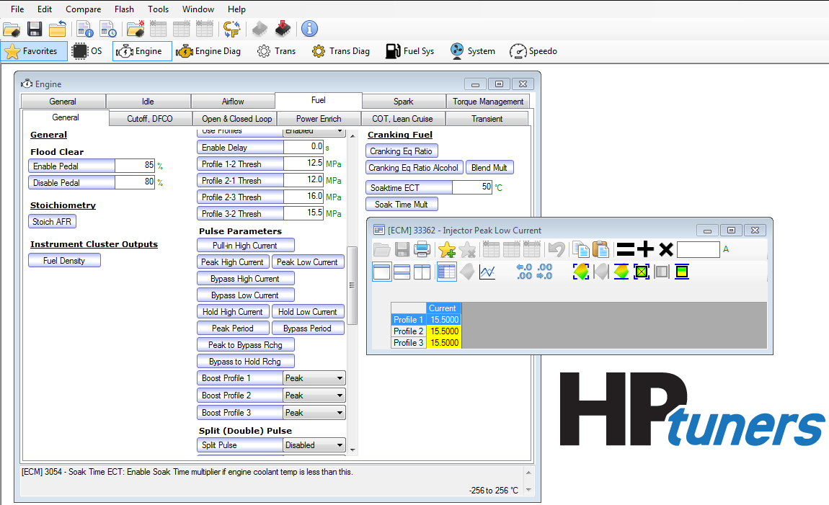

Bypass High Current
Injector Bypass High Current
 | Current
Profile 1 | 7.00
Profile 2 | 7.50
Profile 3 | 14.00

Location
Engine -> Fuel -> General -> Injector Control -> Pulse Parameters -> Bypass High Current
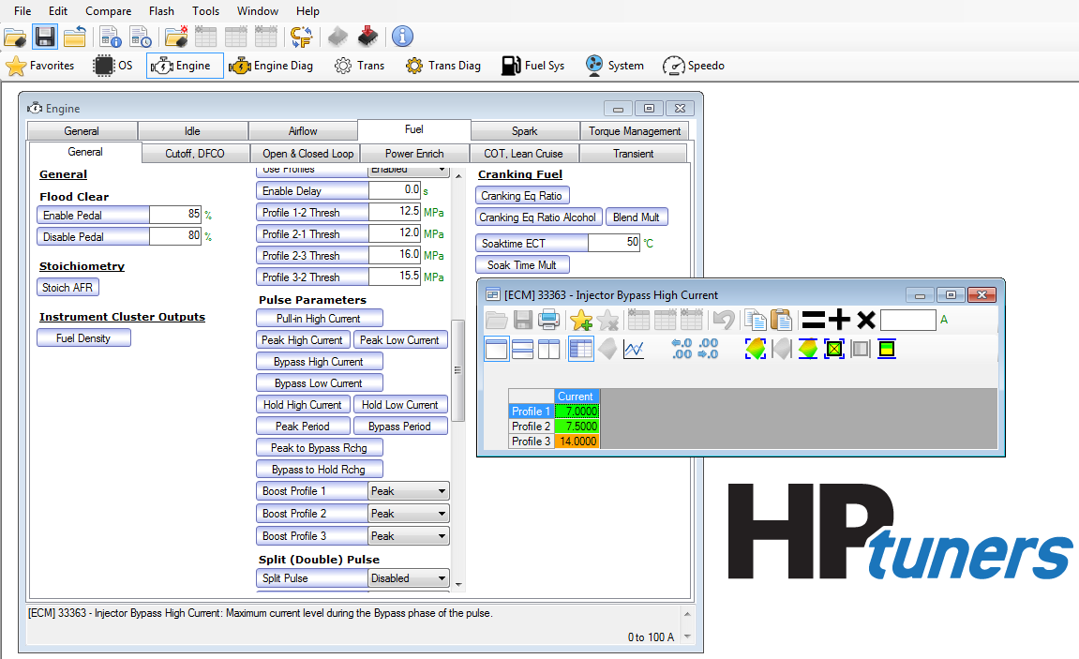

Bypass Low Current
Injector Bypass Low Current
 | Current
Profile 1 | 6.00
Profile 2 | 6.50
Profile 3 | 12.00

Location
Engine -> Fuel -> General -> Injector Control -> Pulse Parameters -> Bypass Low Current
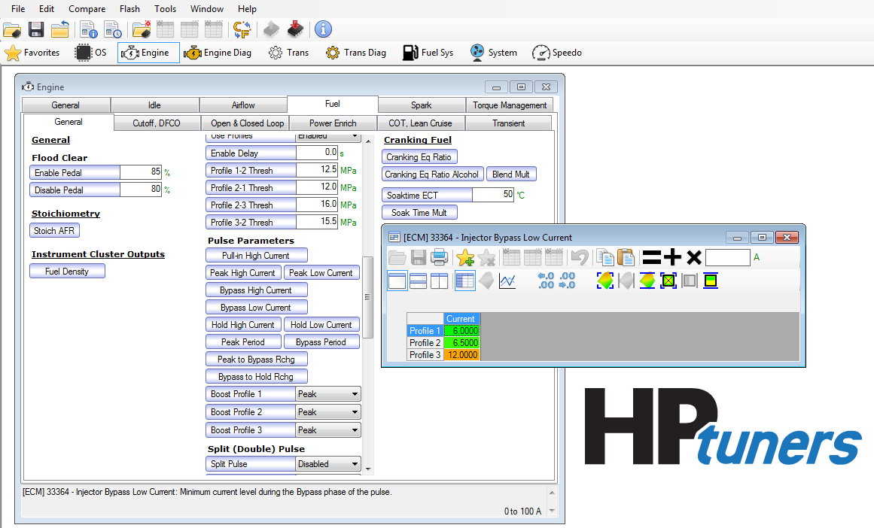

Hold High Current
Injector Hold High Current
 | Current
Profile 1 | 3.50
Profile 2 | 3.50
Profile 3 | 4.25

Location
Engine -> Fuel -> General -> Injector Control -> Pulse Parameters -> Hold High Current
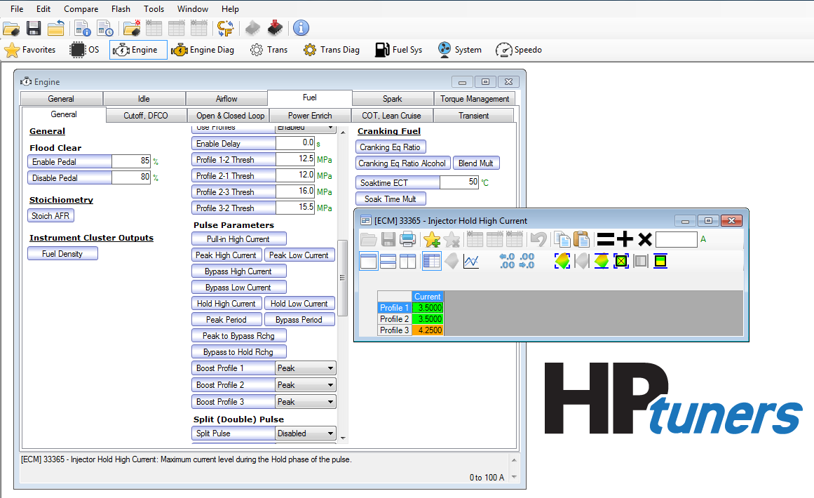

Bypass Period
Injector Bypass Period
 | Time
Profile 1 | 0.2500
Profile 2 | 0.2500
Profile 3 | 0.3000

Location
Engine -> Fuel -> General -> Injector Control -> Pulse Parameters -> Bypass Period
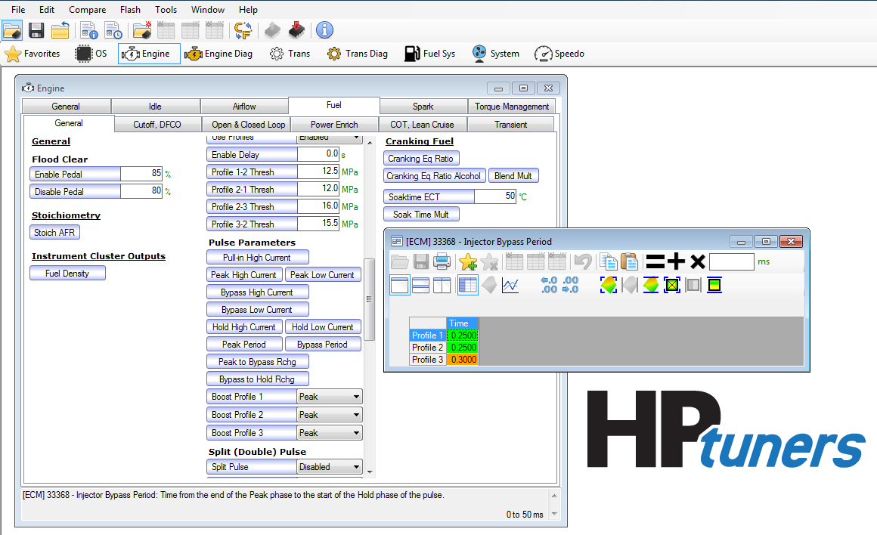

Peak to Bypass Recharge
Injector Peak to Bypass Recharge Period
 | Time
Profile 1 | 0.0000
Profile 2 | 0.0000
Profile 3 | 0.0000

Location
Engine -> Fuel -> General -> Injector Control -> Pulse Parameters -> Peak to Bypass Rchg
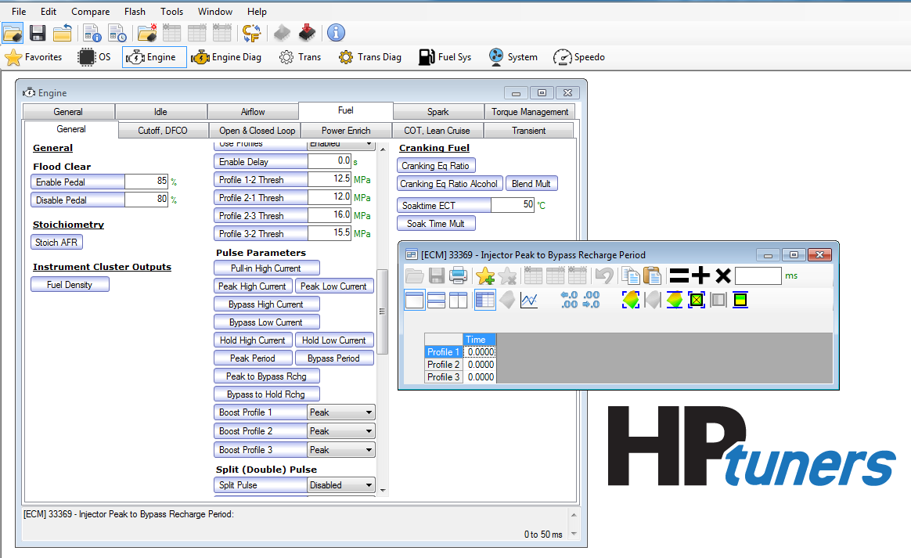

HP Pump Maximum Pressure
High Pressure Pump Maximum Pressure
 | RPM
 | 300 | 500 | 700 | 1,000 | 2,000 | 3,000 | 4,000 | 5,000 | 7,000
Max Fuel Pressure (Mpa) | 20.00 | 20.00 | 20.00 | 20.00 | 20.00 | 20.00 | 20.00 | 20.00 | 20.00

Location
Fuel Sys -> Fuel Pressure -> Pressure Limits -> HP Pump Max
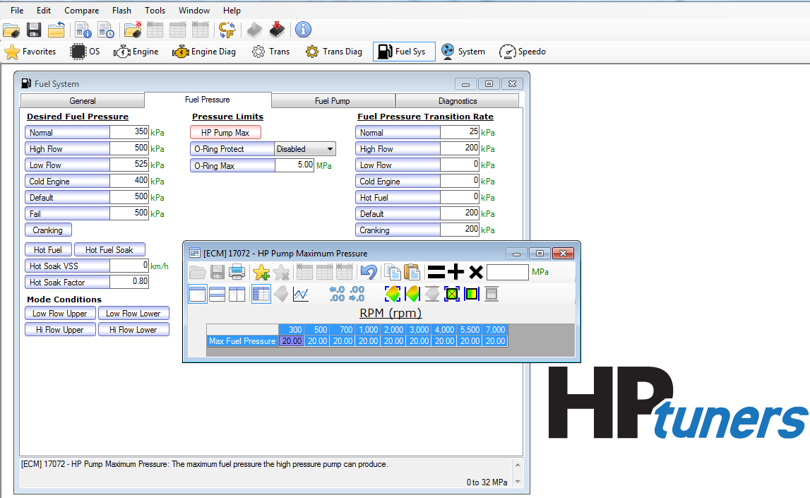

Desired Fuel Pres Airmass Axis
Desired Fuel Pressure - Airmass Axis
 | Airmass Axis
(g) | 0.10 | 0.14 | 0.18 | 0.22 | 0.26 | 0.30 | 0.34 | 0.38 | 0.42 | 0.46 | 0.50 | 0.54 | 0.58 | 0.62 | 0.66 | 0.70 | 0.74 | 0.78 | 0.82 | 0.86 | 0.90 | 0.94 | 0.98 | 1.02 | 1.06 | 1.10 | 1.14 | 1.18 | 1.22 | 1.26 | 1.30 | 1.34 | 1.38

Location
Fuel Sys -> Fuel Pressure -> High Pressure Desired -> Base -> Airmass (g)
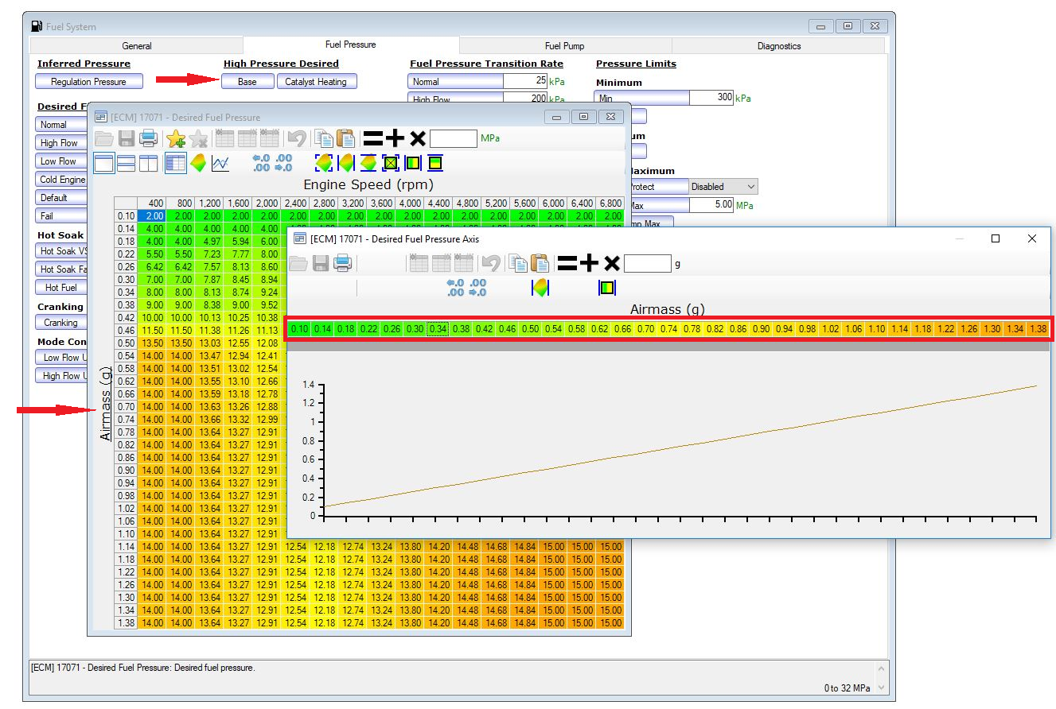

Desired Fuel Pressure
Desired Fuel Pressure
Airmass (g) |  | RPM
 |  | 400 | 800 | 1200 | 1600 | 2000 | 2400 | 2800 | 3200 | 3600 | 4000 | 4400 | 4800 | 5200 | 5600 | 6000 | 6400 | 6800
 | 0.10 | 2.0000 | 2.0000 | 2.0000 | 2.0000 | 2.0000 | 2.0000 | 2.0000 | 2.0000 | 2.0000 | 2.0000 | 2.0000 | 2.0000 | 2.0000 | 2.0000 | 2.0000 | 2.0000 | 2.0000
 | 0.14 | 4.0000 | 4.0000 | 4.0000 | 4.0000 | 4.0000 | 4.0000 | 4.0000 | 4.0000 | 4.0000 | 4.0000 | 4.0000 | 4.0000 | 4.0000 | 4.0000 | 4.0000 | 4.0000 | 4.0000
 | 0.18 | 4.0000 | 4.0000 | 4.9712 | 5.9424 | 6.0000 | 6.0000 | 6.0000 | 6.0000 | 6.0000 | 6.0000 | 6.0000 | 6.0000 | 6.0000 | 6.0000 | 6.0000 | 6.0000 | 6.0000
...
 | 1.14 | 14.0000 | 14.0000 | 9.6001 | 10.7002 | 11.5000 | 11.6602 | 12.1802 | 12.7402 | 13.2402 | 13.7998 | 14.2002 | 14.4800 | 14.6802 | 14.8398 | 15.0000 | 15.0000 | 15.0000
 | 1.18 | 14.0000 | 14.0000 | 9.6001 | 10.7002 | 11.5000 | 11.6602 | 12.1802 | 12.7402 | 13.2402 | 13.7998 | 14.2002 | 14.4800 | 14.6802 | 14.8398 | 15.0000 | 15.0000 | 15.0000
 | 1.22 | 14.0000 | 14.0000 | 9.6001 | 10.7002 | 11.5000 | 11.6602 | 12.1802 | 12.7402 | 13.2402 | 13.7998 | 14.2002 | 14.4800 | 14.6802 | 14.8398 | 15.0000 | 15.0000 | 15.0000
 | 1.26 | 14.0000 | 14.0000 | 9.6001 | 10.7002 | 11.5000 | 11.6602 | 12.1802 | 12.7402 | 13.2402 | 13.7998 | 14.2002 | 14.4800 | 14.6802 | 14.8398 | 15.0000 | 15.0000 | 15.0000
 | 1.30 | 14.0000 | 14.0000 | 9.6001 | 10.7002 | 11.5000 | 11.6602 | 12.1802 | 12.7402 | 13.2402 | 13.7998 | 14.2002 | 14.4800 | 14.6802 | 14.8398 | 15.0000 | 15.0000 | 15.0000
 | 1.34 | 14.0000 | 14.0000 | 9.6001 | 10.7002 | 11.5000 | 11.6602 | 12.1802 | 12.7402 | 13.2402 | 13.7998 | 14.2002 | 14.4800 | 14.6802 | 14.8398 | 15.0000 | 15.0000 | 15.0000
 | 1.38 | 14.0000 | 14.0000 | 9.6001 | 10.7002 | 11.5000 | 11.6602 | 12.1802 | 12.7402 | 13.2402 | 13.7998 | 14.2002 | 14.4800 | 14.6802 | 14.8398 | 15.0000 | 15.0000 | 15.0000

Location
Fuel System -> Fuel Pressure - > High Pressure Desired - > Base
